Invoice Extracts
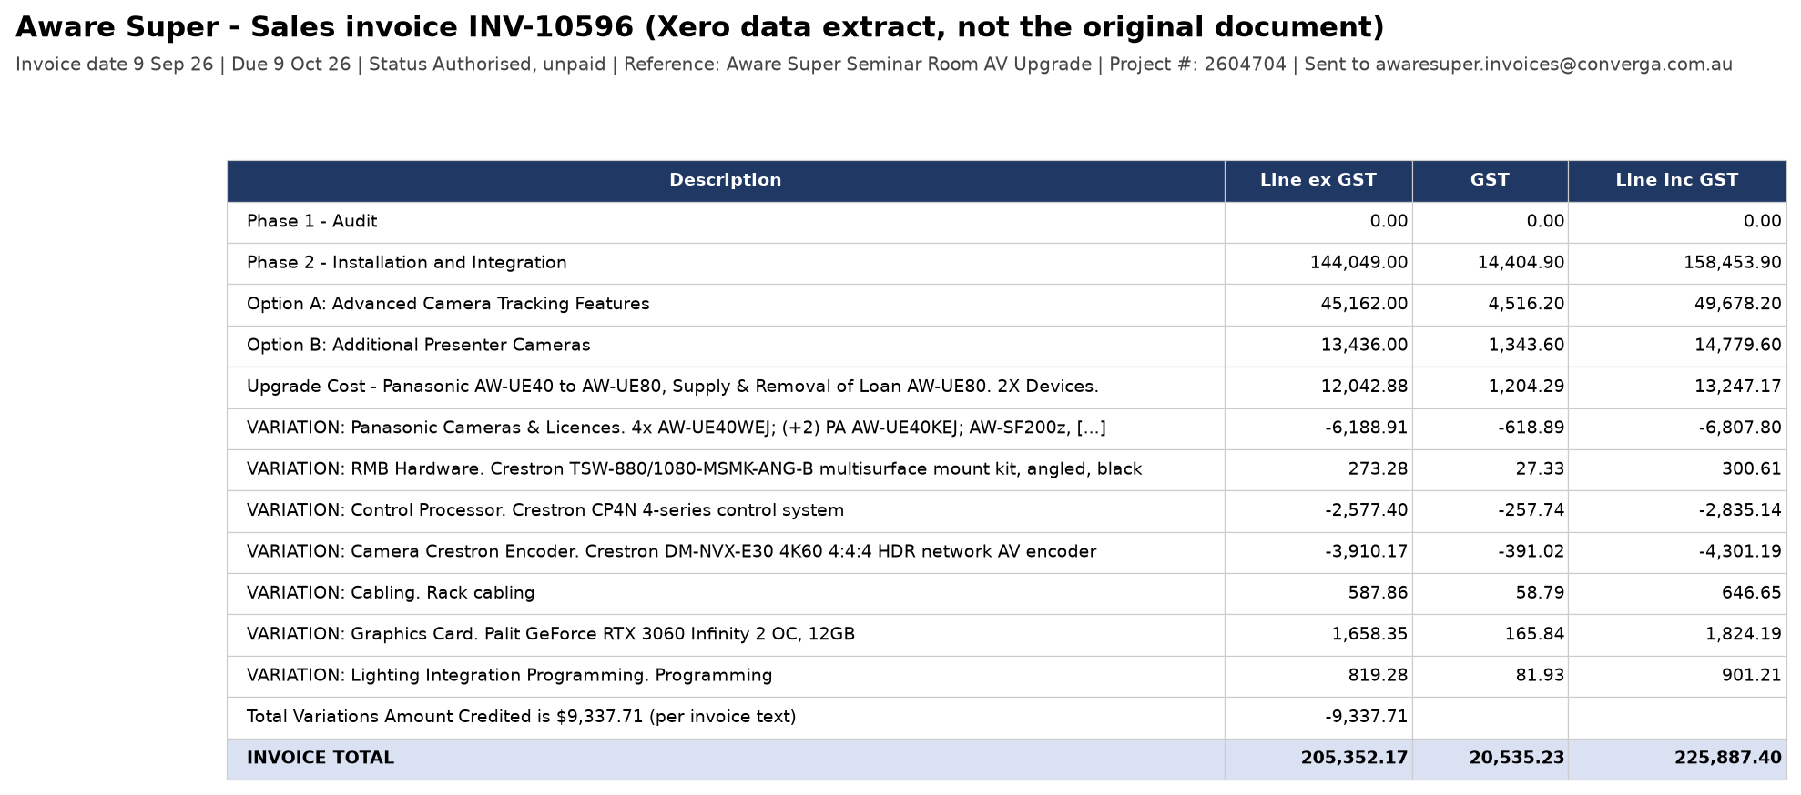
Line-item extracts of both documents as recorded in Xero (data extracts, not the original PDFs - the Xero connector cannot download attachments)

Complete AV Solutions bill INV41565
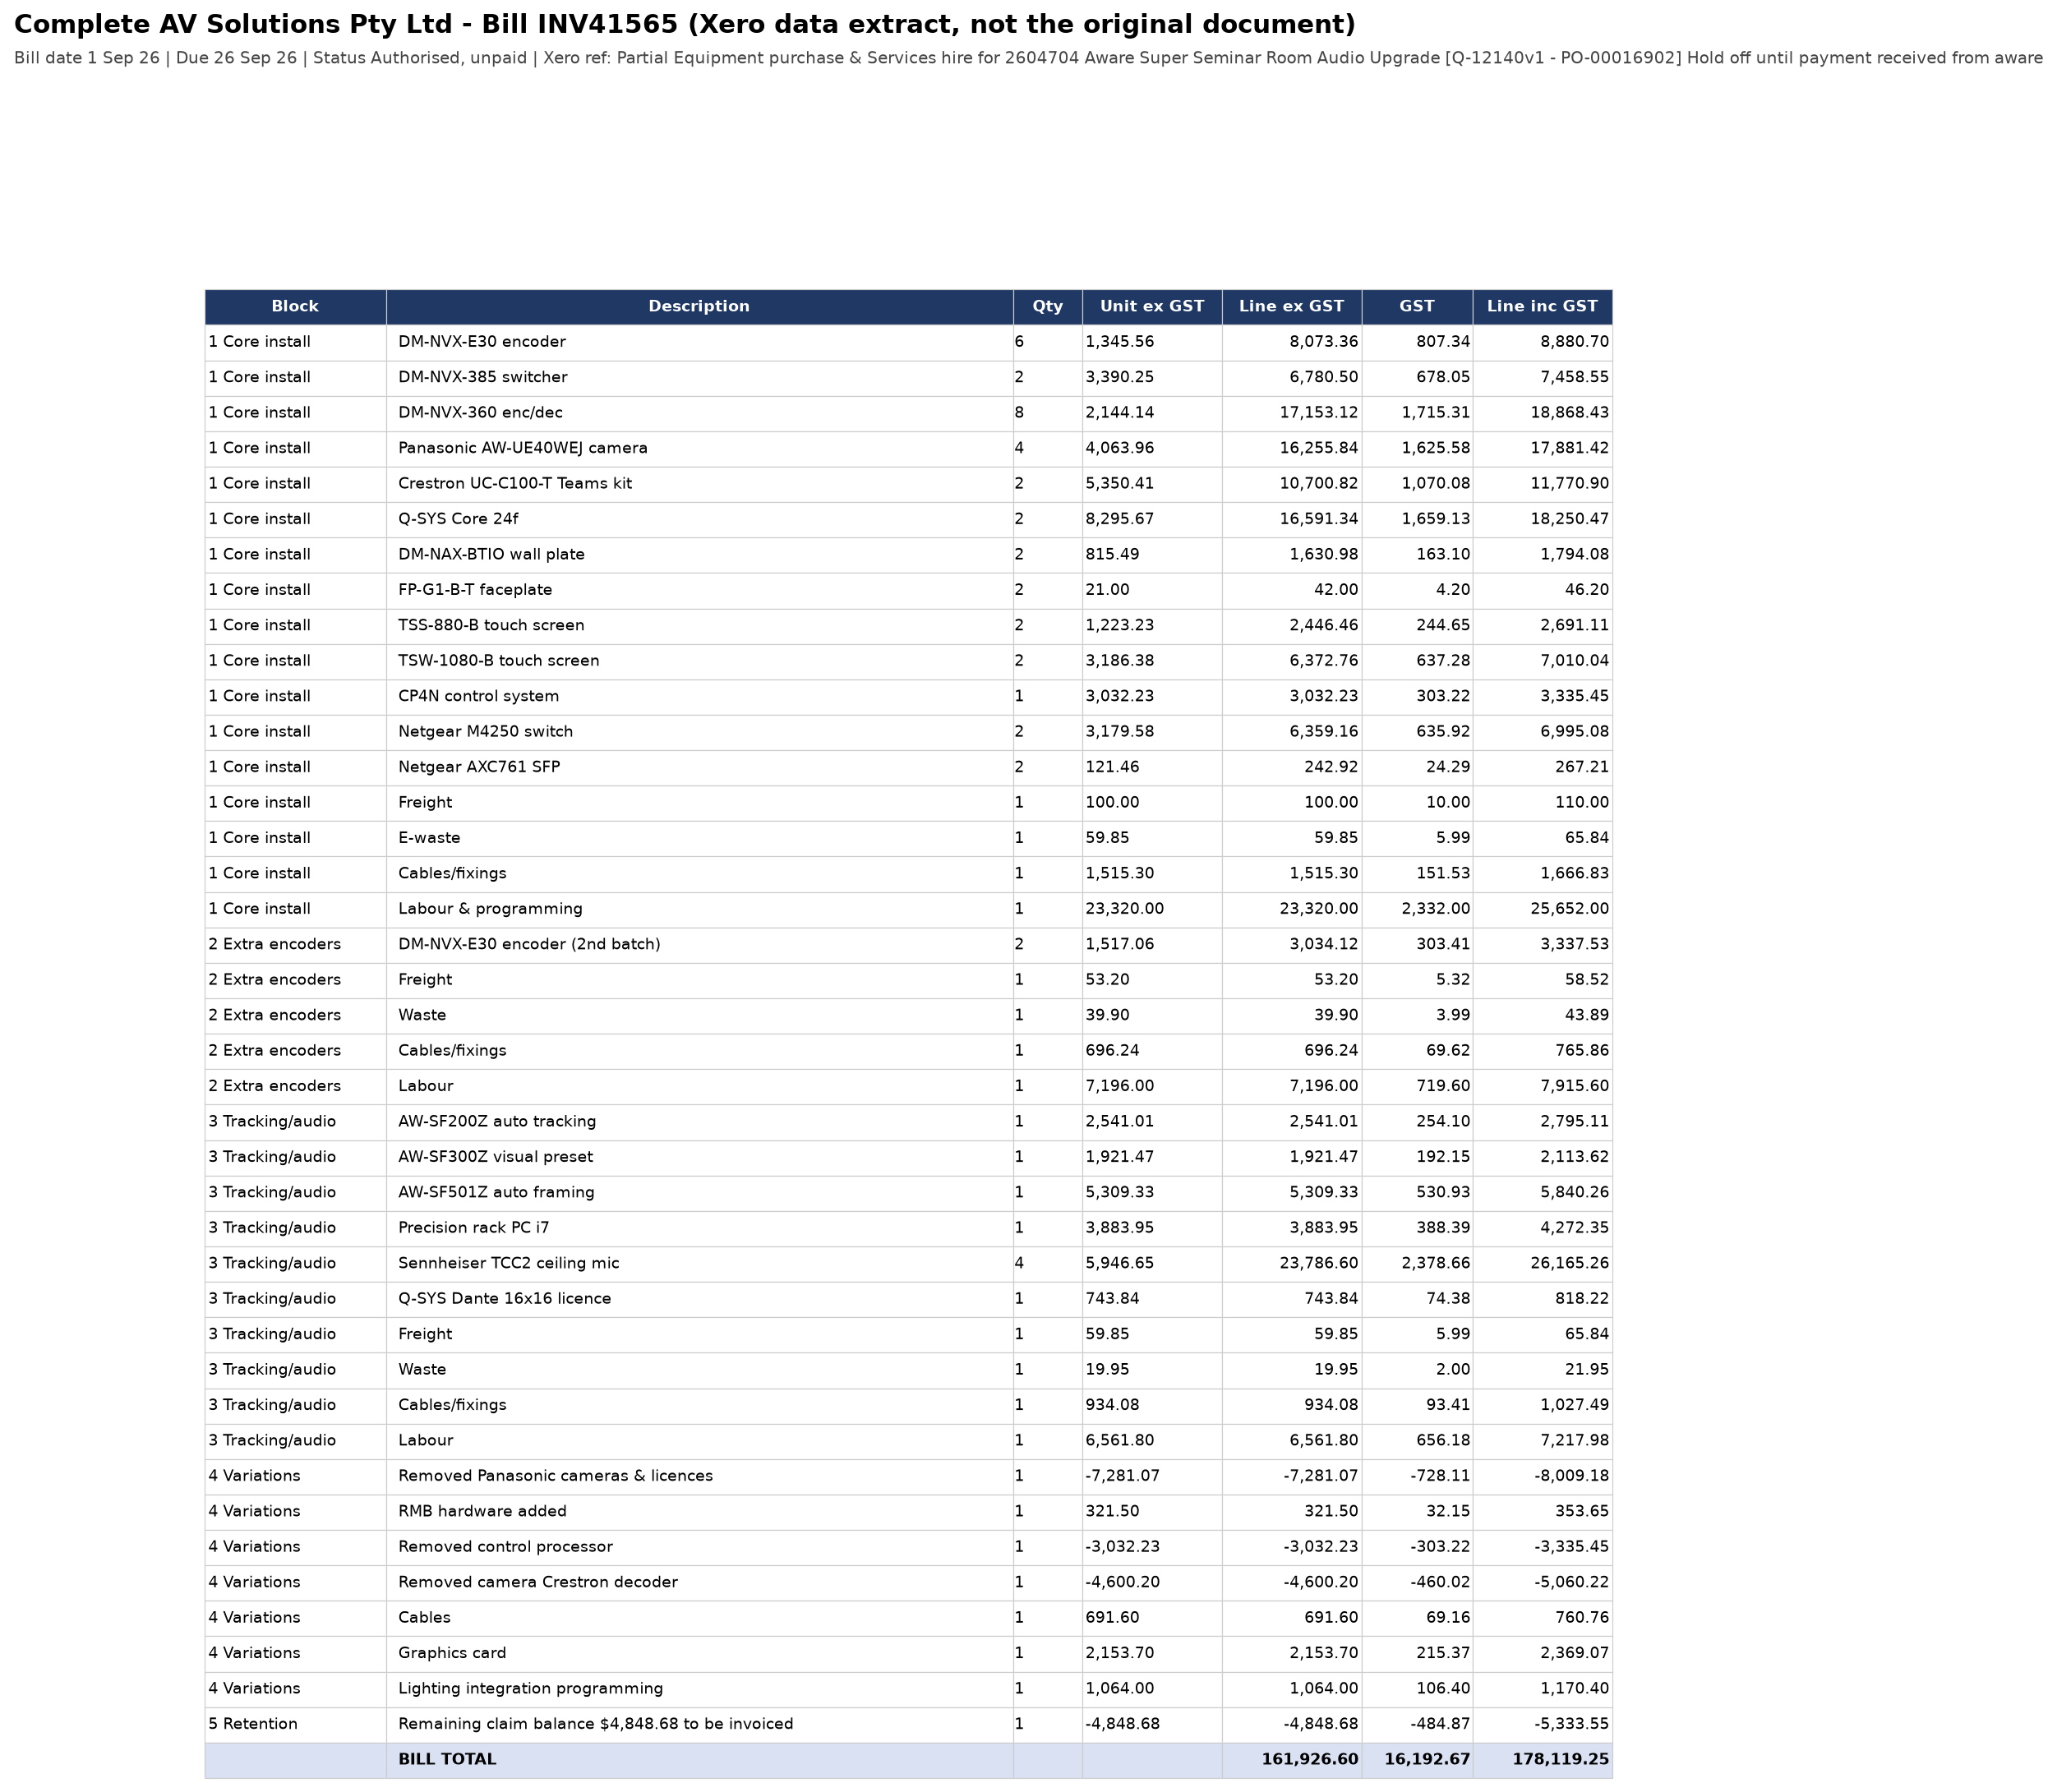

Aware Super sales invoice INV-10596

